Functional Checklist
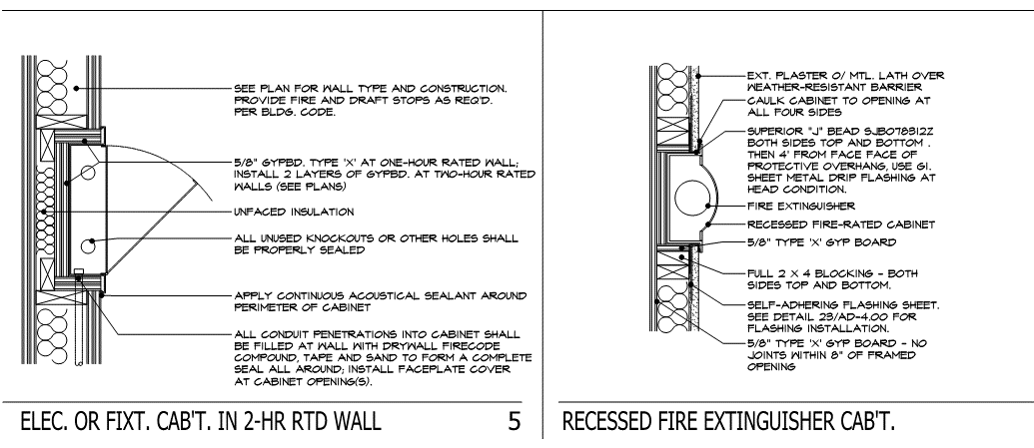
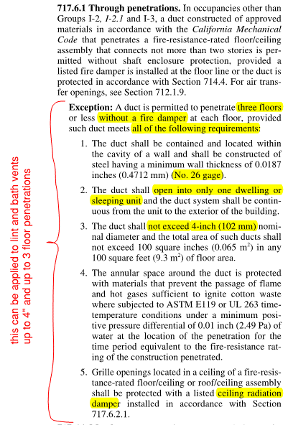
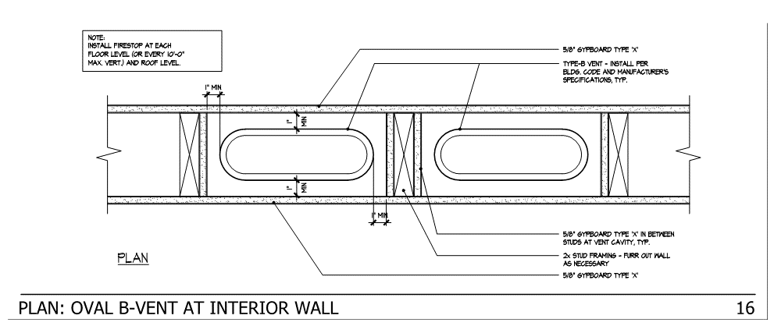
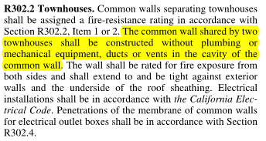
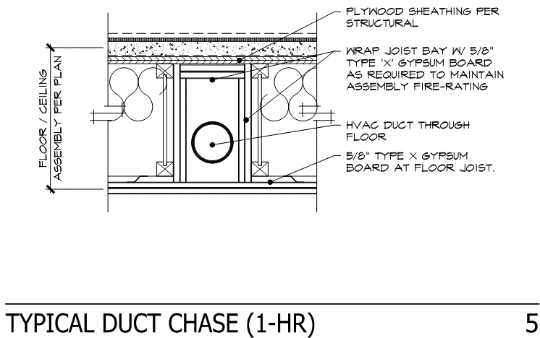
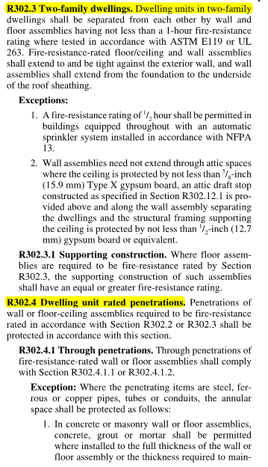
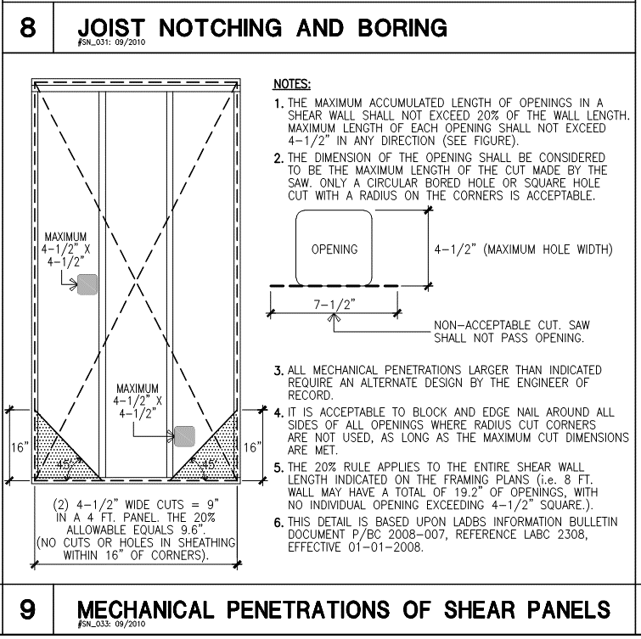
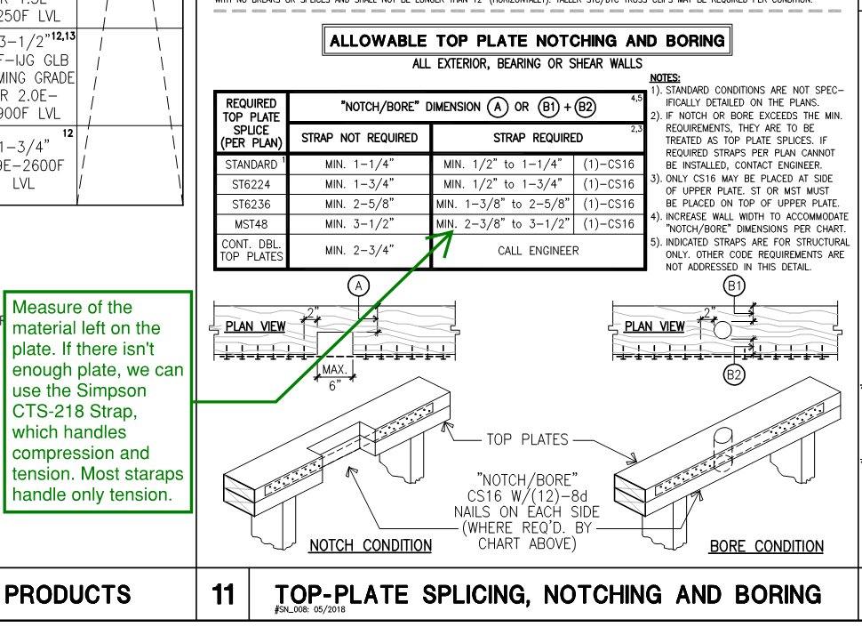
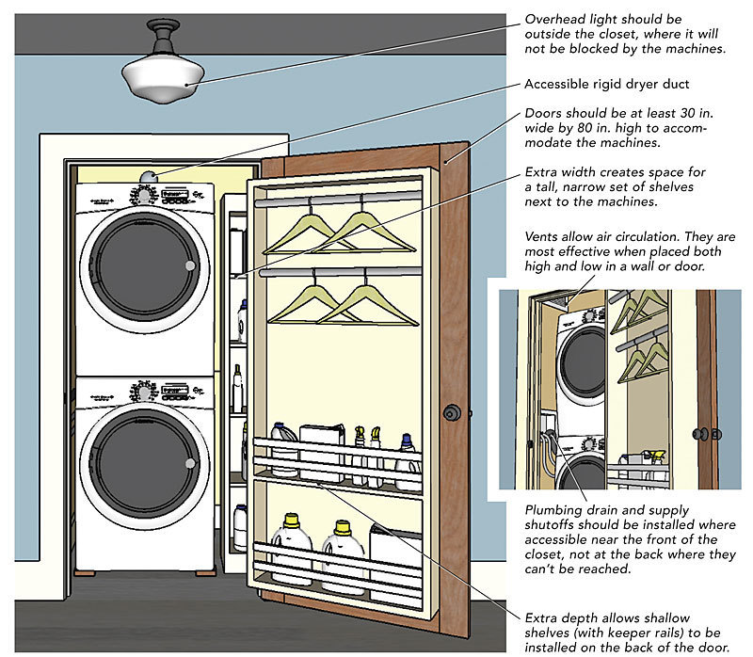
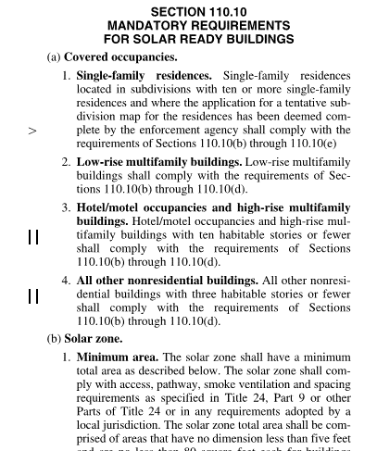
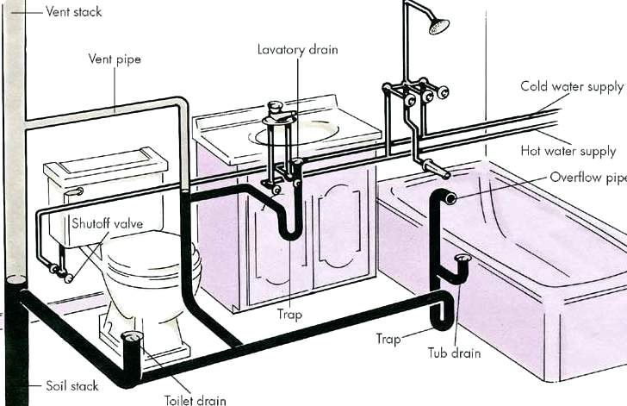
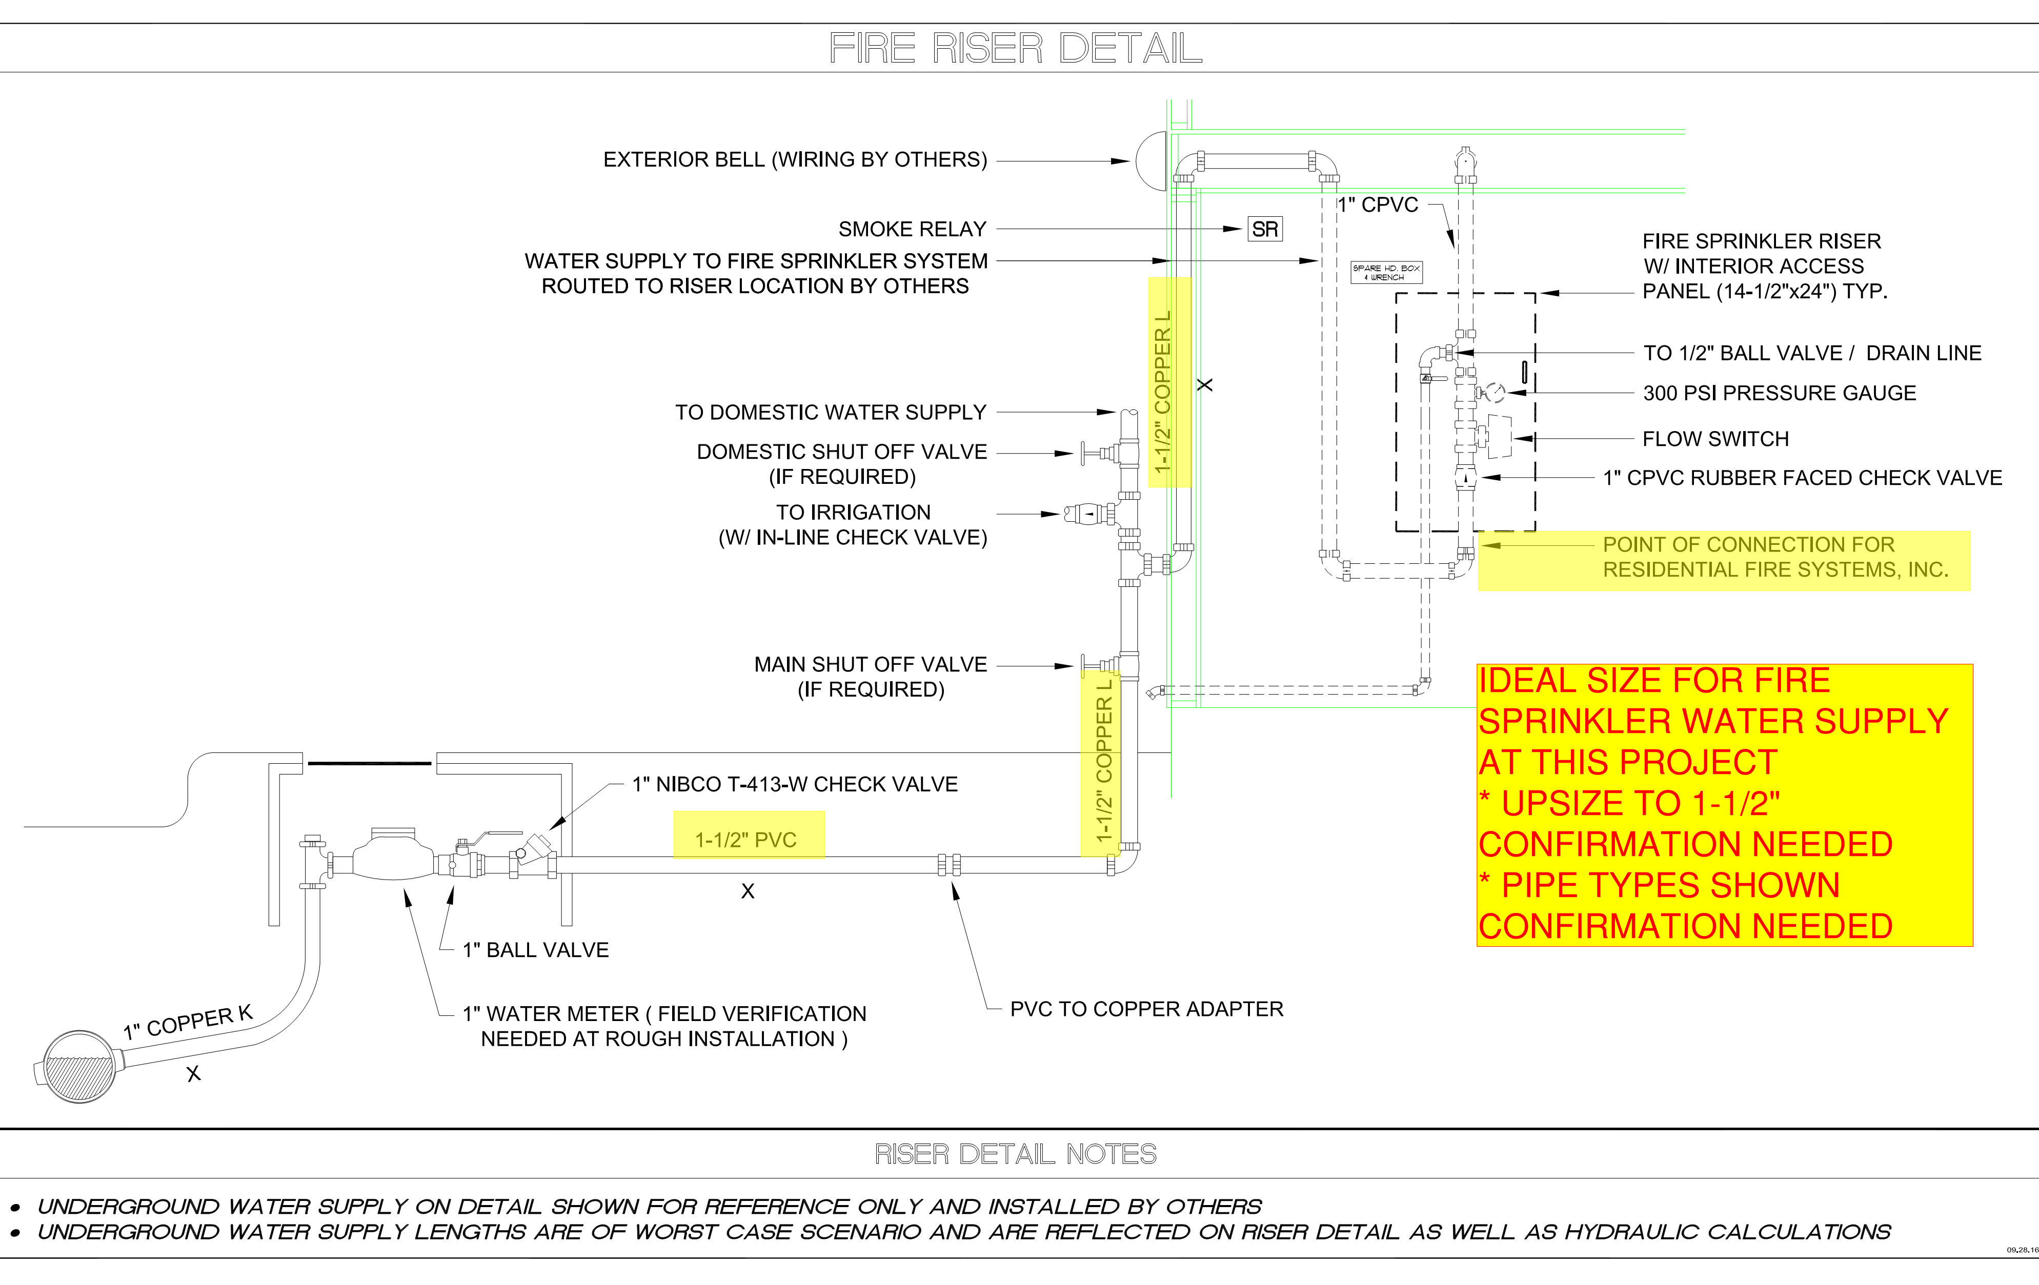
Do we have Civil Plans?
Is every item that needs electrical coordinated with the electrical team?
Are we running pipe through horizontally through walls with vertical joists?
Are upper story WC routing to wall and then routing back with an impossible bend?
Not going through stair wells with pipes?
Is hub drain at water heater? T&P can be routed to outside, but condensate needs to go to waste.
VTR penetrating solar areas?
4" connecting to civil waste sewer
Shutoff for sediment trap for gas.
Submeter needs to be approved by weights and measure.
14" Joists run for ~20'.
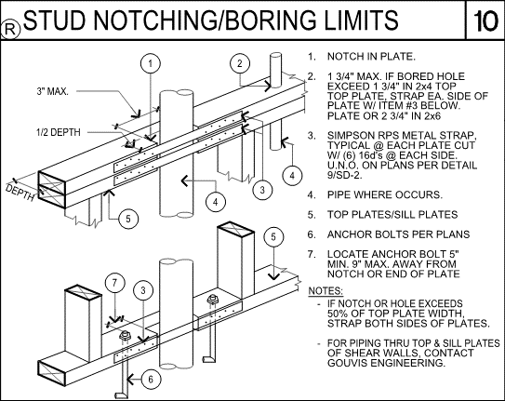
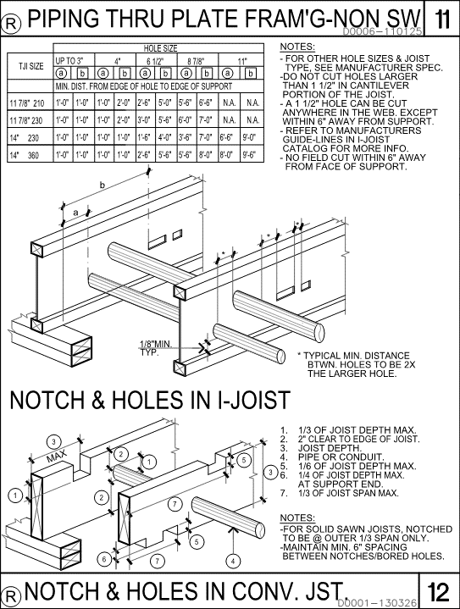
Look out for floors being supported by beams. Walls above areas with no walls.
Don't run pipe horizontally through Joists.
Take into account condensate
Gutter sizing, and where the runoff is going.
Circuit Vent and Wet Vent where possible
Are fixtures along party walls? Is plumbing allowed in party walls?
Are the vents located on the backside of the roof?
If individual units have sewer laterals, don't cross units sewage.
Are solar areas shown? 2016 CA Energy Code Section 110.10
Do we have plumbing walls? Are routings feasible with beams, party walls, etc?
Is there a drain or a receptacle at for the T&P at the water heater?
Check city code for design conditions.
Are the cleanouts the size of the line they are needed for?
Is there a stub for fire sprinkler system? Use 1-1/2" to for Single Family homes
Cleanout in horizontal runs over 5'? Exclude length of trap arms.
Need to make sure the wall is big enough for wall cleanout on bottom floor. Mainly deals with WCs
Know you can toe-kick in cabinet sinks.
Provide bypass assembly for future solar thermal point of connection or loop for scale shield.
Does the fixture schedule connection match the pipe sizing chart?
Do all floor drains have trap primers?
If the site is privately metered (no separate firewater line), is the flow for fire taken into account for pumps and equpiment?
Check valves for soda machines and coffee machines.
Make sure the water meter is not oversized for exhorbant fee.
Running through joists with water piping isn't too big of an issue because the holes can be straight. For waste, the sloping effect makes it difficult to drill holes in the joists.
Is the sump ejector sized on WSFUs?
By the time the pump gets to the gravity line, a lot of the pressure has been used.
No subsoil (perforated pipe) under the slab. I.e. can't connect subsoil from elevator pit to foundations subsoil. Must be hard piped under slab.
Shear wall Details SN2 and SN3. Found in G drive under DET in any project.
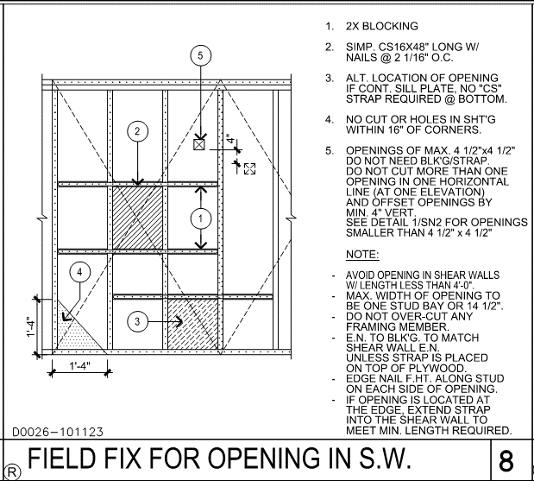
For vents that run horizontal, try to put a wall cleanout at the wall to clean the vent.
Do I have hose bibbs to drain the system?
Don't water irrigation with treated water.
Look up city codes before starting project.
The longest run of pipe is usually through the HW side as it goes to the TWH and back through.
Make sure to include the TWH pressure losses in the HWR system curve
Easy to drill holes in TJI joists. It's more difficult to drill holes through conventional joists (dimensional joists).
When projects start also look up "Fire Prevention City Name" to get fire standards.
Are commercial dishwashers indirectly wasted?
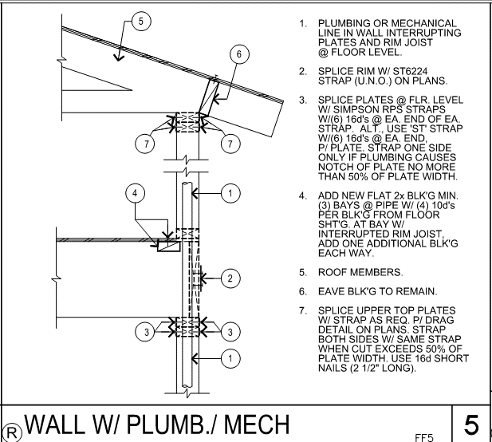
Is the FAU location coordinated with the mechanical plans?
Is the HW return line velocity less than 4-5 fps, or even better 2-3fps?
Assume the dryer is on the right, and the washer is on the left.
No pipes in the party walls, R302.2.
Check that the fixture schedule matches what's in the plans.
Use checkvalves with balancing valves.
Note the water hardness and use water softerner or de-scaler system
Length measured from the meter to the fixture.
Horizontal drainage line is measured from the vent to the main, not from the fixture the main.
Try to keep cleanouts outside of the home.
The plumbers don't like it when the trenching is too creative. Cleanouts in garage aren't too big of a deal.
Plumbers like simple trenching. Also makes it easier to track back if issues arise.
Plumbers don't seem to like long trenches of 45 degree angles.
Let owner know that drains need to confirm with finish ("hot mop guy")
Verify sewer backwater valves are based upon pad elevation, not finished floor elevation.

Soffit - Horizontal runs on underside of ceiling
Chase - Vertical runs for multiple pipes
Popout - Chases for single pipes
Plumbing wall - wall extended from normal wall for plumbing

